Code
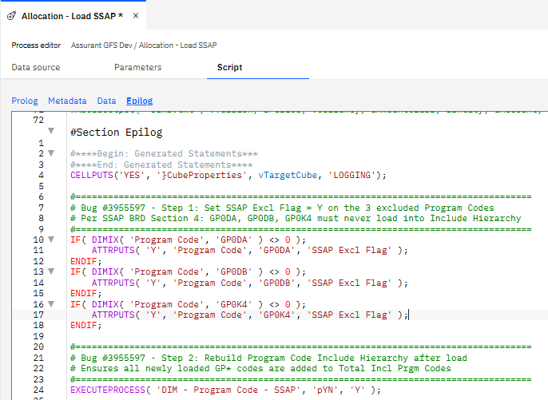
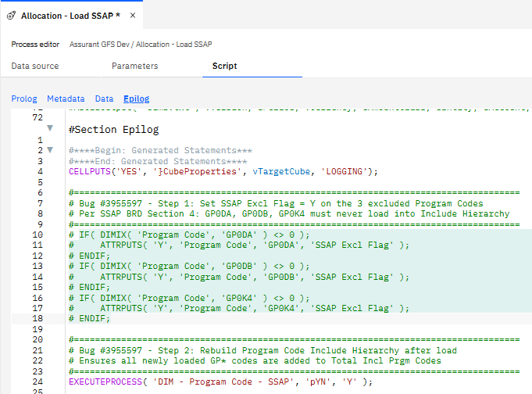
Orig | Tested:

All_Orig
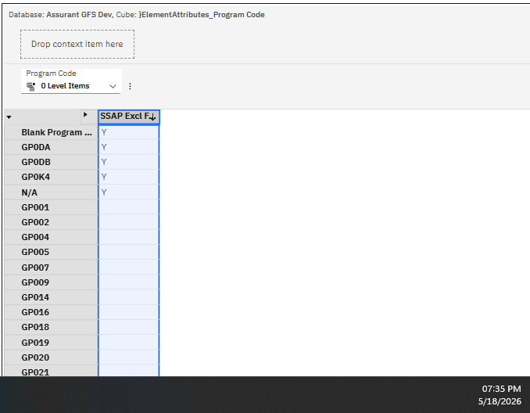
CUBE | Assurant GFS Dev:}ElementAttributes_Program Code

Program Code | SSAP Excl Flag
Blank Program Code | Y
GP0DA | Y
GP0DB | Y
GP0K4 | Y
N/A | Y
GP001
GP002
GP004
GP005
GP007
GP009
GP014
GP016
GP018
GP019
GP020
GP021
GP027
GP028
GP030
GP053
GP056
GP058
GP059
GP061
GP065
GP069
GP0A5
GP0A6
GP0A8
GP0CL
GP0FB
GP0G4
GP0L1
GP0L6
GP0LB
GP0LP
GP0LW
GP0PC
GP0PL
GP0PV
GP0Q8
GP0R1
GP0RE
GP0SC
GP0W4
GP0W5
GP0XW
GP161
GP1B4

Incl_Orig
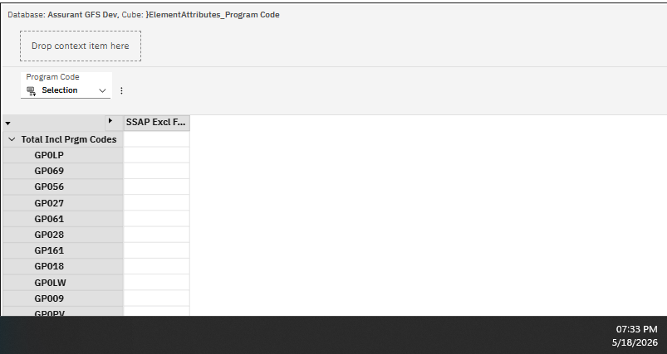
CUBE | Assurant GFS Dev:}ElementAttributes_Program Code

Program Code | SSAP Excl Flag
Total Incl Prgm Codes
GP0LP
GP069
GP056
GP027
GP061
GP028
GP161
GP018
GP0LW
GP009
GP0PV
GP0PL
GP0Q8
GP065
GP0A6
GP021
GP020
GP0L6
GP053
GP0A5
GP004
GP0G4
GP058
GP0FB
GP0W5
GP0PC
GP1B4
GP014
GP007
GP0W4
GP0A8
GP059
GP0CL
GP0XW
GP001
GP016
GP030
GP002
GP0L1
GP0SC
GP019
GP0RE
GP0LB
GP0R1
GP005

All_Test
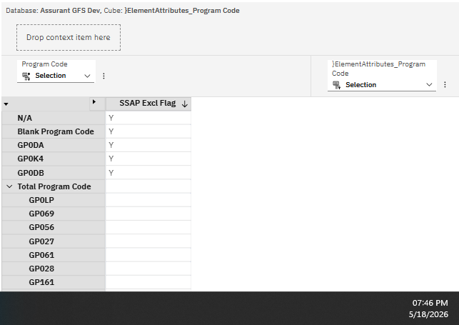
CUBE | Assurant GFS Dev:}ElementAttributes_Program Code

Program Code | SSAP Excl Flag | PASS
N/A | Y | #N/A
Blank Program Code | Y | #N/A
GP0DA | Y | #N/A
GP0K4 | Y | #N/A
GP0DB | Y | #N/A
Total Program Code |  | #N/A
GP0LP |  | GP0LP
GP069 |  | GP069
GP056 |  | GP056
GP027 |  | GP027
GP061 |  | GP061
GP028 |  | GP028
GP161 |  | GP161
GP018 |  | GP018
GP0LW |  | GP0LW
GP009 |  | GP009
GP0PV |  | GP0PV
GP0PL |  | GP0PL
GP0Q8 |  | GP0Q8
GP065 |  | GP065
GP0A6 |  | GP0A6
GP021 |  | GP021
GP020 |  | GP020
GP0L6 |  | GP0L6
GP053 |  | GP053
GP0A5 |  | GP0A5
GP004 |  | GP004
GP0G4 |  | GP0G4
GP058 |  | GP058
GP0FB |  | GP0FB
GP0W5 |  | GP0W5
GP0PC |  | GP0PC
GP1B4 |  | GP1B4
GP014 |  | GP014
GP007 |  | GP007
GP0W4 |  | GP0W4
GP0A8 |  | GP0A8
GP059 |  | GP059
GP0CL |  | GP0CL
GP0XW |  | GP0XW
GP001 |  | GP001
GP016 |  | GP016
GP030 |  | GP030
GP002 |  | GP002
GP0L1 |  | GP0L1
GP0SC |  | GP0SC
GP019 |  | GP019
GP0RE |  | GP0RE
GP0LB |  | GP0LB
GP0R1 |  | GP0R1
GP005 |  | GP005
GP0K5 |  | GP0K5

Incl_Test
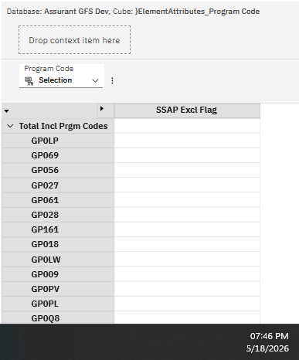
CUBE | Assurant GFS Dev:}ElementAttributes_Program Code

Program Code | SSAP Excl Flag | PASS
Total Incl Prgm Codes
GP0LP
GP069
GP056
GP027
GP061
GP028
GP161
GP018
GP0LW
GP009
GP0PV
GP0PL
GP0Q8
GP065
GP0A6
GP021
GP020
GP0L6
GP053
GP0A5
GP004
GP0G4
GP058
GP0FB
GP0W5
GP0PC
GP1B4
GP014
GP007
GP0W4
GP0A8
GP059
GP0CL
GP0XW
GP001
GP016
GP030
GP002
GP0L1
GP0SC
GP019
GP0RE
GP0LB
GP0R1
GP005
GP0K5

Load table
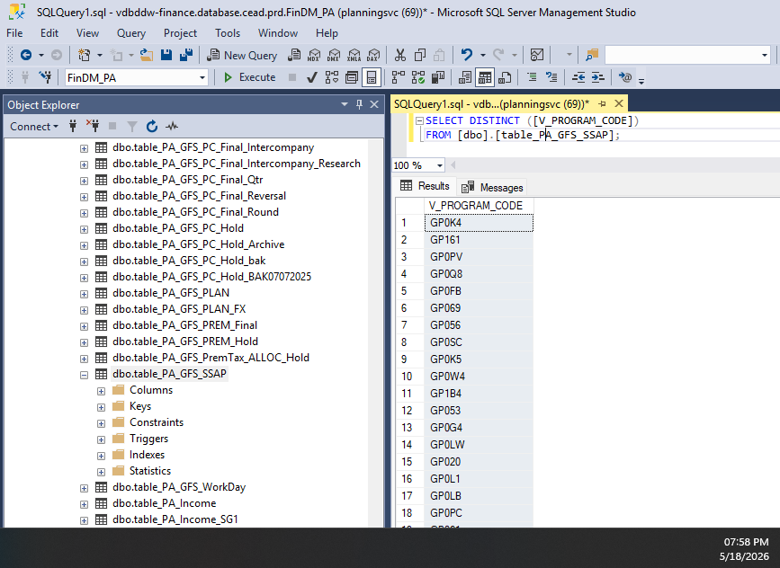
Unique list of Pgm Codes: | Lkup | Flag
GP009 | GP009
GP018 | GP018
GP020 | GP020
GP021 | GP021
GP027 | GP027
GP028 | GP028
GP053 | GP053
GP056 | GP056
GP061 | GP061
GP065 | GP065
GP069 | GP069
GP0A5 | GP0A5
GP0A6 | GP0A6
GP0A8 | GP0A8
GP0FB | GP0FB
GP0G4 | GP0G4
GP0K4 | GP0K4 | Y
GP0K5 | GP0K5
GP0L1 | GP0L1
GP0L6 | GP0L6
GP0LB | GP0LB
GP0LP | GP0LP
GP0LW | GP0LW
GP0PC | GP0PC
GP0PL | GP0PL
GP0PV | GP0PV
GP0Q8 | GP0Q8
GP0SC | GP0SC
GP0W4 | GP0W4
GP0XW | GP0XW
GP161 | GP161
GP1B4 | GP1B4

